Sheet3
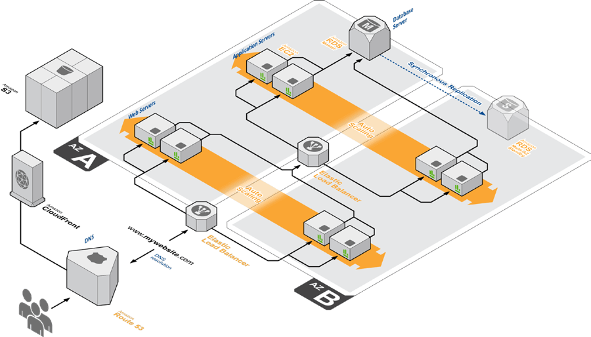
<iframe src="//www.googletagmanager.com/ns.html?id=GTM-M8LWJF" height="0" width="0" style="display:none;visibility:hidden"></iframe> <style> .wpb_animate_when_almost_visible { opacity: 1; }</style>
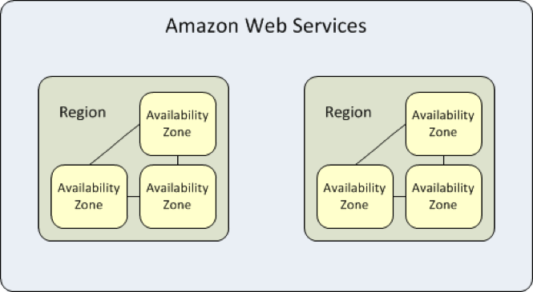

AZ | AZ is a SPOF
Each AZ could span multiple DCs | Redundant power, networking
Intra AZ connections are low latency redundant
ELB have a regional scope, idependent of Azs

<iframe src="//www.googletagmanager.com/ns.html?id=GTM-M8LWJF" height="0" width="0" style="display:none;visibility:hidden"></iframe> <style> .wpb_animate_when_almost_visible { opacity: 1; }</style>

